Info
Growth Assay OD-GFP-RFP

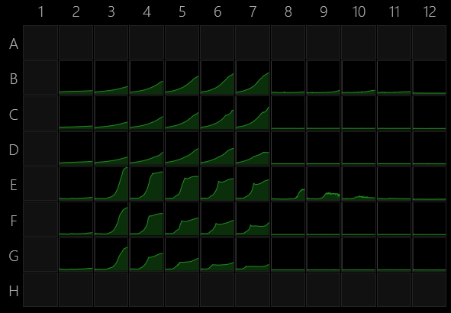
6/24/22

Assay was aborted before completion.

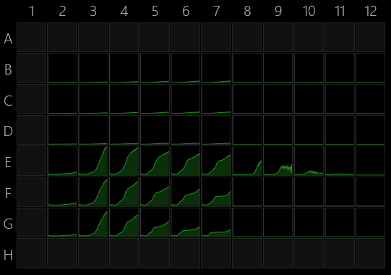
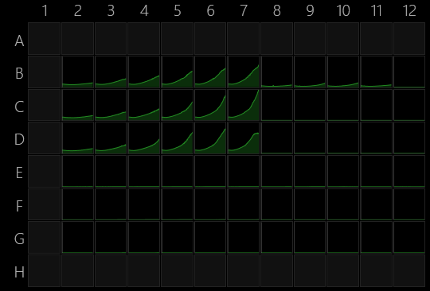
Info

Instrument
Instrument serial number | 3210324
Instrument firmware version | 107

Software
Version | 1.2.1.0

Plate
Wells | 96 (8x12)
Manufacturer | General
Name
A1 offset (µm) | 14380;11240
Well distance (µm) | 9,000
Well diameter (µm) | 6,500

Operations

Kinetics by plate |  |  |  |  | Absorbance |  |  |  |  |  |  |  |  |  |  | RFP (e. coli mRuby)
Cycles | 450 |  |  |  |  |  |  |  |  |  |  |  |  |  | GFP p fluorescencs
Interval (s) | 600 |  |  |  | Acetate concentration mM
Shake | Fast orbital |  |  |  | 2 | 3 | 4 | 5 | 6 | 7
 |  |  |  |  | 100 | 50 | 25 | 12.5 | 6.25 | 3
Temperature control |  | B | EC (mRuby) | 10 mM maltose |  |  |  |  |  |  | Ignore | Ignore | Ignore | Ignore
Technology | Temperature control | C |  | 5 mM maltose |  |  |  |  |  |  | Ignore | Ignore | Ignore | Ignore
Switch heating off | No | D |  | 2 mM maltose |  |  |  |  |  |  | Ignore | Ignore | Ignore | Ignore
Set target temperature | 30 | E | PF | 8 mM 4HB |  |  |  |  |  |  | Ignore | Ignore | Ignore | Ignore
Wait for warming to target temperature | No | F |  | 4 mM 4HB |  |  |  |  |  |  | Ignore | Ignore | Ignore | Ignore
Wait for cooling to target temperature | No | G |  | 1 mM 4HB |  |  |  |  |  |  | Ignore | Ignore | Ignore | Ignore

Absorbance
Technology | Absorbance
Flashes | 25
Calculation | OD(590)

Fluorescence
Technology | Fluorescence
Excitation | 485/10 nm
Excitation aperture | Default
Emission | 535/20 nm
Emission aperture | Default
Mirror | Automatic
Flashes | 25
Lamp power | Default
Read mode | Top
Focus (mm) | Default
PMT voltage | Default

Fluorescence 1
Technology | Fluorescence
Excitation | 544/20 nm
Excitation aperture | Default
Emission | 590/20 nm
Emission aperture | Default
Mirror | Automatic
Flashes | 25
Lamp power | Default
Read mode | Top
Focus (mm) | Default
PMT voltage | Default

End kinetics

Temperature control 1
Technology | Temperature control
Switch heating off | Yes

